Sheet1
ID | Price | Unposted Final Score
1 | 156.00 | 76.03
2 | 145.00 | 90.09
3 | 187.00 | 49.96
4 | 135.00 | 17.98
5 | 151.00 | 35.44
6 | 136.00 | 32.14
7 | 141.00 | 44.39
8 | 167.00 | 46.18
COUNTA of Price vs. Grouped Price
9 | 221.00 | 62.65
10 | 276.00 | 54.71
11 | 209.00 | 60.05
COUNTA of Unposted Final Score vs. Grouped Unposted Final Score
12 | 297.00 | 38.67
13 | 300.00 | 59.41
14 | 232.00 | 44.46
15 | 246.00 | 38.77
16 | 296.00 | 49.16
17 | 240.00 | 36.08
18 | 252.00 | 32.25
19 | 248.00 | 34.21
20 | 226.00 | 44.65
21 | 251.00 | 53.24
22 | 227.00 | 8.28
23 | 277.00 | 0
24 | 220.00 | 71.01
25 | 341.00 | 44.51
26 | 388.00 | 32.53
27 | 391.00 | 51.8
28 | 336.00 | 59.97
29 | 378.00 | 43.22
30 | 347.00 | 31.53
31 | 303.00 | 60.09
32 | 303.00 | 40.21
33 | 448.00 | 46.49
34 | 431.00 | 41.89
35 | 483.00 | 51.55
36 | 419.00 | 33.84
37 | 487.00 | 22.24
38 | 594.00 | 62.56
39 | 532.00 | 38.41
40 | 517.00 | 48.72
41 | 628.00 | 43.41
 |  | 39.95
 |  | 56.07
 |  | 33.6
 |  | 53.18
 |  | 27.65

Sheet3
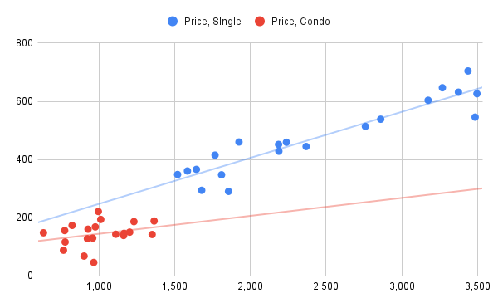
Sqft | Price, SIngle | Price, Condo | Type
3,267 | 647 |  | Single
1,767 | 415 |  | Single
3,173 | 604 |  | Single
1,856 | 291 |  | Single
2,238 | 459 |  | Single
2,186 | 452 |  | Single
2,759 | 514 |  | Single
3,436 | 704 |  | Single
2,368 | 445 |  | Single
1,810 | 348 |  | Single
2,188 | 429 |  | Single
3,495 | 626 |  | Single
1,520 | 349 |  | Single
1,585 | 361 |  | Single
1,925 | 460 |  | Single
3,483 | 546 |  | Single
2,860 | 539 |  | Single
1,644 | 366 |  | Single
3,373 | 631 |  | Single | Review Question:
1,679 | 294 |  | Single
778 |  | 117 | Condo | Using the following dataset for two categories, create a scatterplot with different colors representing each category:
903 |  | 68 | Condo | Using different colors allows us to distinguish between categories (for example, Single houses and Condos). This helps reveal patterns within each group that may not be visible when all data points are combined. It can show that each group has its own trend, which may differ from the overall trend in the combined dataset.
960 |  | 130 | Condo | How does using different colors in a scatterplot help identify patterns or trends that might reveal Simpson's Paradox?
1,352 |  | 143 | Condo | What is Simpson's Paradox, and how can visualizations like scatterplots assist in understanding it?
925 |  | 128 | Condo | Simpson's Paradox occurs when a trend that appears in several separate groups disappears or reverses when the groups are combined. Scatterplots help identify this by visually separating categories with different colors, allowing us to compare trends within each group and the overall dataset. This makes it easier to detect misleading conclusions caused by aggregated data.
775 |  | 156 | Condo
1,204 |  | 151 | Condo
1,013 |  | 194 | Condo
1,164 |  | 139 | Condo
929 |  | 161 | Condo
967 |  | 46 | Condo
635 |  | 148 | Condo
824 |  | 174 | Condo
977 |  | 169 | Condo
1,112 |  | 143 | Condo
1,167 |  | 146 | Condo
1,365 |  | 189 | Condo
1,232 |  | 187 | Condo
767 |  | 88 | Condo
997 |  | 221 | Condo

